Ans. e
 | January | February | March | April | May | June | July | Aug | Sep | Oct | Nov | Dec
Demand | 2500 | 3000 | 4000 | 3500 | 3500 | 3000 | 3000 | 4000 | 4000 | 4000 | 3000 | 3000 | Hour per Unit | 0.75
Hours Needed | 1875 | 2250 | 3000 | 2625 | 2625 | 2250 | 2250 | 3000 | 3000 | 3000 | 2250 | 2250 | mfg. Hours/Day | 6.5
Working Days/Mo | 20 | 20 | 20 | 20 | 20 | 20 | 20 | 20 | 20 | 20 | 20 | 20 | Hiring Cost | 1600
prodn. Hrs/Mo/Worker | 130 | 130 | 130 | 130 | 130 | 130 | 130 | 130 | 130 | 130 | 130 | 130 | Firing Cost | 800
Workers Needed | 15 | 18 | 24 | 21 | 21 | 18 | 18 | 24 | 24 | 24 | 18 | 18 | Hourly Cost | $11.50
Workers Start | 30 | 20 | 20 | 20 | 20 | 20 | 20 | 20 | 20 | 20 | 20 | 20 | Unit Mtrls Cost | $15
Workers Hired |  |  |  |  |  |  |  |  |  |  |  |  | Beginning Inv. | 500
Workers Fired | 10 |  |  |  |  |  |  |  |  |  |  |  | Inv. Cost/Unit/Mo | $5
Workers End | 20 | 20 | 20 | 20 | 20 | 20 | 20 | 20 | 20 | 20 | 20 | 20 | Outsourcing
Beginning Inv. | 500 | 1466 | 1932 | 1398 | 1364 | 1330 | 1796 | 2262 | 1728 | 1194 | 660 | 1126 | Fixed | $2,000 | Average monthly demand= | 3375
Units Produced | 3466 | 3466 | 3466 | 3466 | 3466 | 3466 | 3466 | 3466 | 3466 | 3466 | 3466 | 3466 | Unit | $95 | Labour hour req= | 2531.25
Ending Inv. | 1466 | 1932 | 1398 | 1364 | 1330 | 1796 | 2262 | 1728 | 1194 | 660 | 1126 | 1592 |  |  | Number of employees= | 19.471153846 | 20
Units Outsourced
 |  |  |  |  |  |  |  |  |  |  |  |  | $1,162,720
Wage Cost | $36,800 | $36,800 | $36,800 | $36,800 | $36,800 | $36,800 | $36,800 | $36,800 | $36,800 | $36,800 | $36,800 | $36,800
Hiring Cost | $0 | $0 | $0 | $0 | $0 | $0 | $0 | $0 | $0 | $0 | $0 | $0
Firing Cost | $8,000 | $0 | $0 | $0 | $0 | $0 | $0 | $0 | $0 | $0 | $0 | $0
Mtrls Cost | $51,990 | $51,990 | $51,990 | $51,990 | $51,990 | $51,990 | $51,990 | $51,990 | $51,990 | $51,990 | $51,990 | $51,990
Inventory Cost | $7,330 | $9,660 | $6,990 | $6,820 | $6,650 | $8,980 | $11,310 | $8,640 | $5,970 | $3,300 | $5,630 | $7,960
Outsourcing Cost | $0 | $0 | $0 | $0 | $0 | $0 | $0 | $0 | $0 | $0 | $0 | $0
Total Cost | $104,120 | $98,450 | $95,780 | $95,610 | $95,440 | $97,770 | $100,100 | $97,430 | $94,760 | $92,090 | $94,420 | $96,750

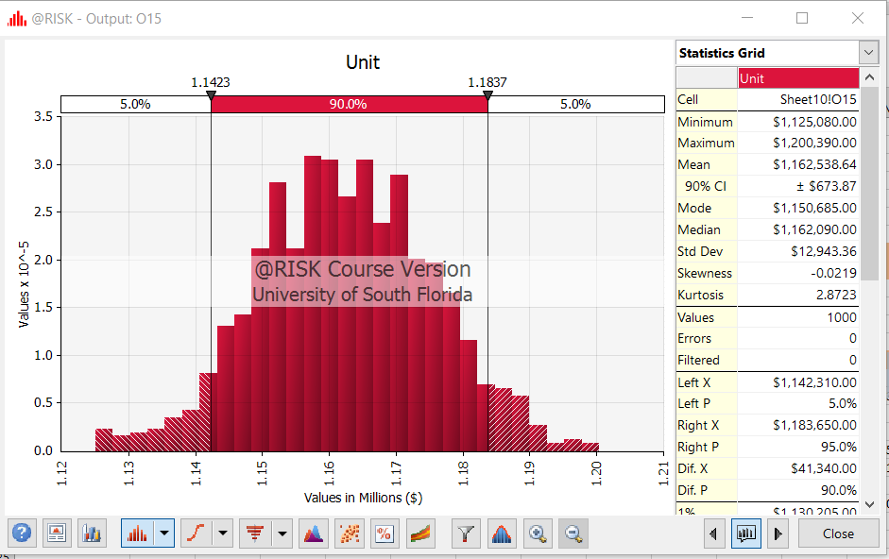

 |  |  |  |  |  |  |  |  |  |  |  |  | Mean of the resulting total annual cost | $1,162,538.64
 |  |  |  |  |  |  |  |  |  |  |  |  | Standard deviation of the resulting total annual cost | $12,943.36

